Sheet1
 | Document No. |  | Issue No. | Issue Date |  |  | Review and Replace Date |  | Authorised By
 | GFF573MC |  | 1 | 14.08.2026 |  |  | new issue
 | Document Title |  | Mini Vegetable Tikka Masala With Pilau Rice 240g
 |  |  |  |  |  |  |  |  | Magda Shah
Document amendments reason for change | New Launch |  |  | Page 1 of 1 |  | Previous Issue Date |  | new issue | Uncontrolled copy unless signed original

FVTIR-1R10TOA |  | Oakhouse |  | Mini Vegetable Tikka Masala With Pilau Rice 240g
STEP 1 |  |  |  |  | STEP 2
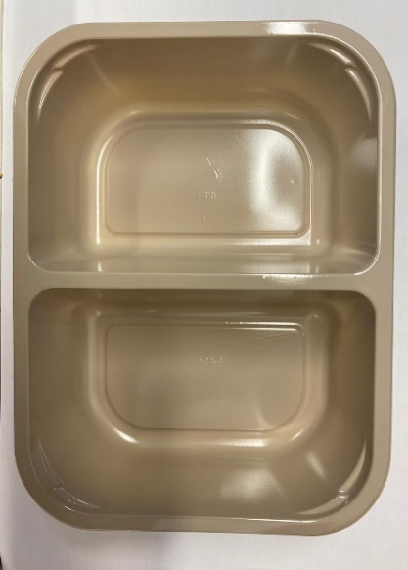 |  |  |  |  | 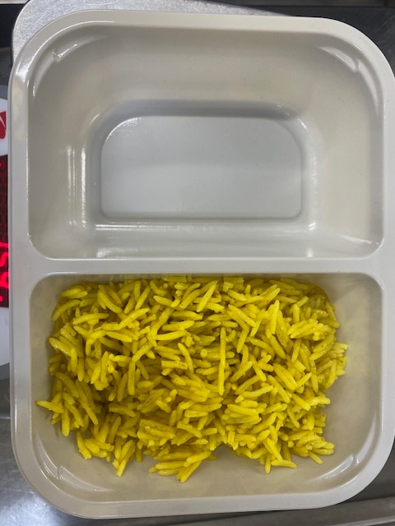

PACK DAY + 1 YEAR
NON-MAP PACK

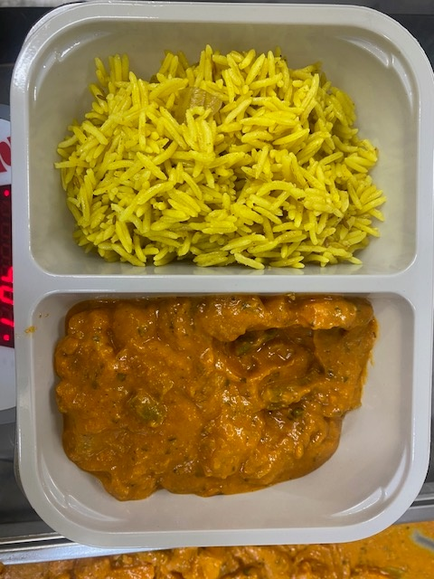
Tray: EVOLVE CPET 2200-2B (PKRHP001-11) |  |  |  |  | Special Pilau Rice -GFF520R: 100g
Film: K peel 7G+25A/f- 275mm (275 mmX1000)(PKKMP001-03)
STEP 3 |  |  |  |  | STEP 4

Vegetable Tikka Masala Sauce -GFF528R-140g |  |  |  |  | TOTAL WEIGHT: 240G
ALLERGY ALERT: MILK, BARLEY, NUTS

